NN
Neural Networks (Back Propagation Algorithm)

 |  |  |  |  |  |  | The algorithm can be decomposed in the following four steps:
 |  |  |  |  |  |  | 3.1.1 Feed-forward computation: |  |  | f(x) | sigmoid function
 |  |  |  |  |  |  | Hidden layer nodes-1 | N1, 0 | f(x1) = f(W0, 0 ∗ N0, 0 + W0, 1 ∗ N0, 1) | 0.5 | 0.622459
N0,0 | N0,1 | Output N2,0 |  | Weight |  |  | Hidden layer nodes-2 | N1, 1 | f(x2) = f(W0, 2 ∗ N0, 0 + W0, 3 ∗ N0, 1) | -0.2 | 0.450166
1 | 1 | 1 | for input nodes (Random) | W0, 0 | 0.4 |  | Output layer node | N2, 0 | f(x3) = f(W1, 0 ∗ n1, 0 + W1, 1 ∗ n1, 1) | -0.14 | 0.464381
1 | 0 | 0 |  | W0, 1 | 0.1
0 | 1 | 0 |  | W0, 2 | -0.1 |  | 3.1.2 Back propagation to the output layer
0 | 0 | 0 |  | W0, 3 | -0.1 |  | Error in output layer node | N2, 0 Error | N2, 0∗ (1− N2, 0) ∗ (N2, 0 Desired − N2, 0) |  | 0.133225
 |  |  | for hidden nodes (Random) | W1, 0 | 0.06 |  | Rate of change (weight for hidden layer nodes-1) | ∆W1, 0 | β ∗ N2, 0Error ∗ N1, 0 |  | 0.037317
β = Learning rate = 0.45 |  |  |  | W1, 1 | -0.4 |  | Adjusted weights for hidden layer nodes-1 | W1, 0 New | W1, 0 old + ∆W1, 0 + (α ∗ ∆(t − 1)) |  | 0.097317 | The value of ∆(t − 1) is previous delta change of the weight. there is no previous delta change so it is always 0.
α = Momentum term = 0.9 |  |  | Learning rate | β | 0.45 |  | Rate of change (weight for hidden layer nodes-2) | ∆W1, 1 | β ∗ N2, 0Error ∗ N1, 1 |  | 0.026988
sigmoid function: f(x) = 1.0 / {1.0 + exp(-x)} |  |  | Momentum term | α | 0.9 |  | Adjusted weights for hidden layer nodes-2 | W1, 1N ew | W1, 1Old + ∆W1, 1 + (α ∗ ∆(t − 1)) |  | -0.373012
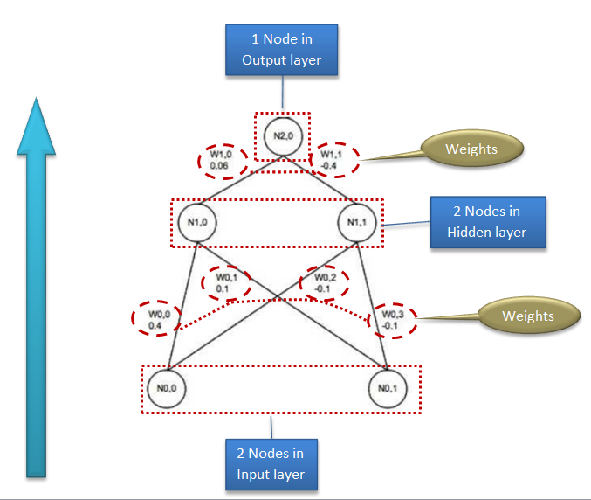
 |  |  |  |  |  |  | 3.1.3 Back propagation to the hidden layer
 |  |  |  |  |  |  | Error in hidden layer node-1 | N1, 0Error | N2, 0Error ∗ W1, 0New |  | 0.012965
 |  |  |  |  |  |  | Error in hidden layer node-2 | N1, 1Error | N2, 0Error ∗ W1, 1New |  | -0.049695
 |  |  |  |  |  |  | Rate of change (weight for input layer nodes-1) | ∆W0, 0 | β ∗ N1, 0Error ∗ N0,0 |  | 0.005834
 |  |  |  |  |  |  | Rate of change (weight for input layer nodes-2) | ∆W0, 1 | β ∗ N1, 0Error ∗ N0, 1 |  | 0.005834
 |  |  |  |  |  |  | Rate of change (weight for input layer nodes-3) | ∆W0, 2 | β ∗ N1, 1Error ∗ N0, 0 |  | -0.022363
 |  |  |  |  |  |  | Rate of change (weight for input layer nodes-4) | ∆W0, 3 | β ∗ N1, 1Error ∗ N0, 1 |  | -0.022363
 |  |  |  |  |  |  | Adjusted weights for input layer nodes-1 | W0, 0New | W0, 0old + ∆W0, 0 + (α ∗ ∆(t − 1)) |  | 0.405834
 |  |  |  |  |  |  | Adjusted weights for input layer nodes-2 | W0, 1New | W0, 1Old + ∆W0, 1 + (α ∗ ∆(t − 1)) |  | 0.105834
 |  |  |  |  |  |  | Adjusted weights for input layer nodes-3 | W0, 2New | W0, 2Old + ∆W0, 2 + (α ∗ ∆(t − 1)) |  | -0.122363
 |  |  |  |  |  |  | Adjusted weights for input layer nodes-4 | W0, 3New | W0, 3Old + ∆W0, 3 + (α ∗ ∆(t − 1)) |  | -0.122363

 |  |  |  |  |  |  | 3.1.4 Weight updates
 |  |  |  |  |  |  | Updated hidden layer nodes-1 | N1, 0 | f(x1) = f(W0, 0 ∗ N0, 0 + W0, 1 ∗ N0, 1) | 0.51 | 0.625198
 |  |  |  |  |  |  | Updated hidden layer nodes-2 | N1, 1 | f(x2) = f(W0, 2 ∗ N0, 0 + W0, 3 ∗ N0, 1) | -0.24 | 0.439122
 |  |  |  |  |  |  | Updated output layer node | N2, 0 | f(x3) = f(W1, 0 ∗ n1, 0 + W1, 1 ∗ n1, 1) | -0.10 | 0.474284
 |  |  |  |  |  |  | Updated Error in output layer node | N2, 0 Error | N2, 0∗ (1− N2, 0) ∗ (N2, 0 Desired − N2, 0) |  | 0.131081
 |  |  |  |  |  |  | Improvement in error in output layer node |  |  |  | 0.002144

 |  |  |  |  |  |  | Unsupervised learning algorithms
 |  |  |  |  |  | 1 | Perceptron
 |  |  |  |  |  | 2 | Self-organizing map
 |  |  |  |  |  | 3 | Radial basis function network
 |  |  |  |  |  |  | Supervised learning algorithms
 |  |  |  |  |  | 4 | Backpropagation
 |  |  |  |  |  | 5 | Autoencoders
 |  |  |  |  |  | 6 | Hopfield networks
 |  |  |  |  |  | 7 | Boltzmann machines
 |  |  |  |  |  | 8 | Restricted Boltzmann Machines
 |  |  |  |  |  | 9 | Spiking neural networks
 |  |  |  |  |  |  | Reinforcement learning algorithms
 |  |  |  |  |  | 10 | Temporal difference learning
 |  |  |  |  |  | 11 | Q-learning
 |  |  |  |  |  | 12 | Learning Automata
 |  |  |  |  |  | 13 | Monte Carlo Method
 |  |  |  |  |  | 14 | SARSA
 |  |  |  |  |  |  | Deep learning algorithms
 |  |  |  |  |  | 15 | Deep belief networks
 |  |  |  |  |  | 16 | Deep Boltzmann machines
 |  |  |  |  |  | 17 | Deep Convolutional neural networks
 |  |  |  |  |  | 18 | Deep Recurrent neural networks
 |  |  |  |  |  | 19 | Hierarchical temporal memory

